records
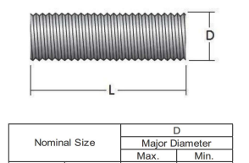
Sample Measurement Record
Mano Engineering LLC |  |  | Part No. 91197733
No. | D | L
1 | 0.4840 | 10.5325
2 | 0.4845 | 10.5275
3 | 0.4890 | 10.5790
4 | 0.4875 | 10.522
5 | 0.4880 | 10.49

